Data
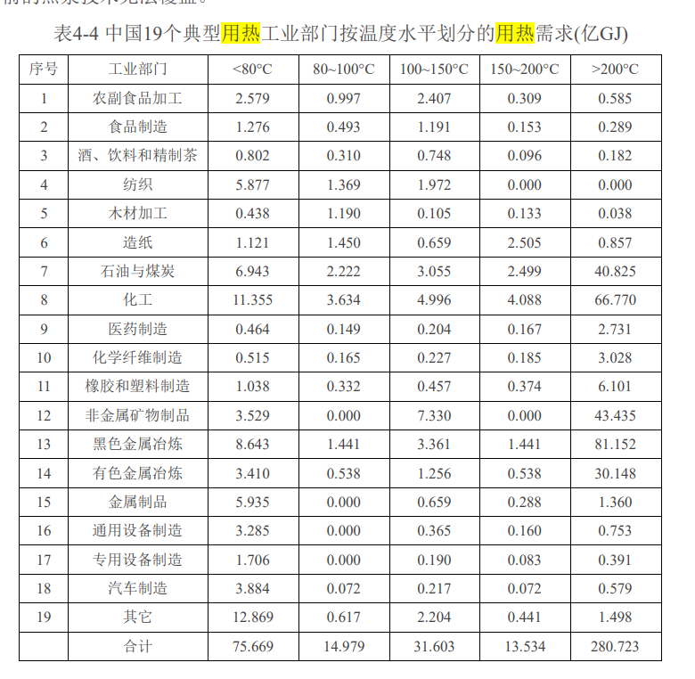
Unit: dimensionless | Perc Low Temp | Perc Medium and High Temp | EPS 行业 | 表4-4：中国19个典型用热工业部门按温度水平划分的用热需求(亿GJ)
agriculture and forestry 01T03 | 1.000 | 0.000 |  | 序号 | 工业部门 | <80°C | 80~100°C | 100~150°C | 150~200°C | >200°C | 高温热占比
coal mining 05 | 0.915 | 0.085 | food beverage and tobacco 10T12 | 1 | 农副食品加工 | 2.579 | 0.997 | 2.407 | 0.309 | 0.585 | 0.085
oil and gas extraction 06 | 0.915 | 0.085 | food beverage and tobacco 10T12 | 2 | 食品制造 | 1.276 | 0.493 | 1.191 | 0.153 | 0.289 | 0.085
other mining and quarrying 07T08 | 0.915 | 0.085 | food beverage and tobacco 10T12 | 3 | 酒、饮料和精制茶 | 0.802 | 0.31 | 0.748 | 0.096 | 0.182 | 0.085
food beverage and tobacco 10T12 | 0.915 | 0.085 | textiles apparel and leather 13T15 | 4 | 纺织 | 5.877 | 1.369 | 1.972 | 0 | 0 | 0.000
textiles apparel and leather 13T15 | 1.000 | 0.000 | wood products 16 | 5 | 木材加工 | 0.438 | 1.19 | 0.105 | 0.133 | 0.038 | 0.020
wood products 16 | 0.980 | 0.020 | pulp paper and printing 17T18 | 6 | 造纸 | 1.121 | 1.45 | 0.659 | 2.505 | 0.857 | 0.130
pulp paper and printing 17T18 | 0.870 | 0.130 | refined petroleum and coke 19 | 7 | 石油与煤炭 | 6.943 | 2.222 | 3.055 | 2.499 | 40.825 | 0.735
refined petroleum and coke 19 | 0.265 | 0.735 | chemicals 20 | 8 | 化工 | 11.355 | 3.634 | 4.996 | 4.088 | 66.77 | 0.735
chemicals 20 | 0.265 | 0.735 |  | 9 | 医药制造 | 0.464 | 0.149 | 0.204 | 0.167 | 2.731 | 0.735
rubber and plastic products 22 | 0.265 | 0.735 | chemicals 20 | 10 | 化学纤维制造 | 0.515 | 0.165 | 0.227 | 0.185 | 3.028 | 0.735
glass and glass products 231 | 0.835 | 0.165 | rubber and plastic products 22 | 11 | 橡胶和塑料制造 | 1.038 | 0.332 | 0.457 | 0.374 | 6.101 | 0.735
cement and other nonmetallic minerals 239 | 0.200 | 0.800 | cement and other nonmetallic minerals 239 | 12 | 非金属矿物制品 | 3.529 | 0 | 7.33 | 0 | 43.435 | 0.800
iron and steel 241 | 0.155 | 0.845 | iron and steel 241 | 13 | 黑色金属冶炼 | 8.643 | 1.441 | 3.361 | 1.441 | 81.152 | 0.845
other metals 242 | 0.160 | 0.840 | other metals 242 | 14 | 有色金属冶炼 | 3.41 | 0.538 | 1.256 | 0.538 | 30.148 | 0.840
metal products except machinery and vehicles 25 | 0.835 | 0.165 | metal products except machinery and vehicles 25 | 15 | 金属制品 | 5.935 | 0 | 0.659 | 0.288 | 1.36 | 0.165
computers and electronics 26 | 0.915 | 0.085 | other manufacturing 31T33 | 16 | 通用设备制造 | 3.285 | 0 | 0.365 | 0.16 | 0.753 | 0.165
appliances and electrical equipment 27 | 0.915 | 0.085 | glass and glass products 231 | 17 | 专用设备制造 | 1.706 | 0 | 0.19 | 0.083 | 0.391 | 0.165
other machinery 28 | 0.915 | 0.085 | road vehicles 29 | 18 | 汽车制造 | 3.884 | 0.072 | 0.217 | 0.072 | 0.579 | 0.120
road vehicles 29 | 0.880 | 0.120 |  | 19 | 其它 | 12.869 | 0.617 | 2.204 | 0.441 | 1.498 | 0.085
nonroad vehicles 30 | 0.915 | 0.085 |  |  | 合计 | 75.669 | 14.979 | 31.603 | 13.534 | 280.723 | 0.674
other manufacturing 31T33 | 0.835 | 0.165
energy pipelines and gas processing 352T353 | 0.915 | 0.085
water and waste 36T39 | 0.915 | 0.085
construction 41T43 | 1.000 | 0.000

